Summary
Summary Data

Intersection: | Broadway/30th | Date: | 2012-11-16
Scenario: | Existing Conditions | Analyst: | JRP

Step 1: Identify Crossing Type

Crossing Type |  | 4-lane divided

Two-stage Crossing Calcs Apply? |  | Yes
Note: Two-stage crossing calculation applied at all divided roadways

Step 2: Determine Critical Headway |  | Stage 1 | Stage 2

L | Crossing distance (ft) | 25 | 25
Sp | Average pedestrian speed (ft/s) | 4 | 4
ts | Pedestrian start-up time and end clearance time (s) | 3 | 3

tc | Critical headway for pedestrian crossing | 9.3 | 9.3
Note: Platooning effects ignored. tc,G assumed to equal tc

Step 3: Estimate Probability of a Delayed Crossing

 | Conflicting Vehicles/hr for each stage | 800 | 1,000

C | Number of lanes crossed | 2 | 2
v | Vehicular flow rate (veh/s) | 0.22 | 0.28
Pb | Probability of a blocked lane | 0.64 | 0.72
Pd | Probability of a delayed crossing | 0.87197830735 | 0.92

Step 4: Calculate Average Delay to Wait for an Adequate Gap

dg | Average pedestrian gap delay (s) | 21.4 | 34.2
dgd | Average gap delay for pedestrians who incur non-zero delay | 24.5 | 37.0

Step 5: Estimate Delay Reduction due to Yielding Vehicles |  |  |  | Exhibit 19-17 - Summary of Research on Motorist Yield Rates
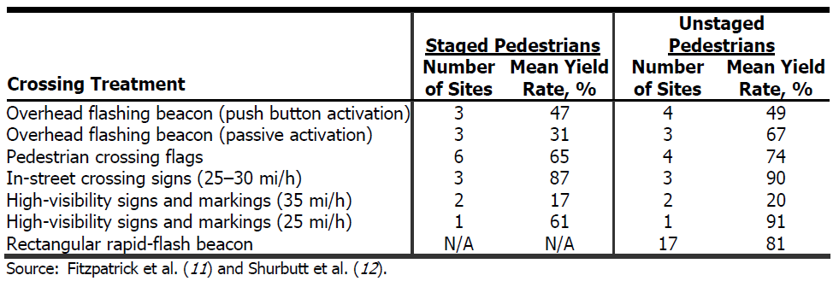
My | Motorist Yield Rate | 20% | 20%
Note: See table to right for default HCM 2010 yield rate data based on national research

h | Average headway for each through lane | 9.0 | 7.2
n | Average number of crossing events before an adequate gap is available | 2 | 5

P(Y1) | Probability that motorists yield to pedestrian on crossing event i | 0.11 | 0.10
P(Y2) |  | 0.09 | 0.00
:
:
P(Yn) |  | N/A | 0.00E+00
Note: Full iterations shown on "crossing event calculation" tab

dp | Average pedestrian delay for each stage (s) | 18.2 | 25.8

Step 6: Calculate Average Pedestrian Delay and Determine LOS |  |  |  | Exhibit reproduced from the 2010 Highway Capacity Manual

dp | Average pedestrian delay (s) | 44.0
 | Ped LOS | E

